Test 6 chart
Test 6: Building surfaces
Test 6 SARS-CoV-2 Natural Attenuation
 | Glass | Marble | Laminate | Powder-coated steel | Brass | LOQ
Inoculum | 5.26 | 5.26 | 5.26 | 5.26 | 5.26 | 1.42
0 Day | 2.96 | 3.08 | 2.96 | 2.94 | 0.78 | 1.42
2 Day | 1.41 | 0.00 | 1.34 | 0.56 | 0.00 | 1.42
4 Day | 0.26 | 0.00 | 0.28 | 0.78 | 0.00 | 1.42
6 Day | 0.00 | 0.00 | 0.00 | 0.00 | 0.00 | 1.42
8 Day | 0.00 | 0.00 | 0.00 | 0.00 | 0.00 | 1.42
 | Total Log10 SARS-CoV-2 Recovered
Description | Inoculum1 | T02 | 2 Day | 4 Day | 6 Day | 8 Day | # positive at day 8
Glass | 5.26 | 2.96 | 1.41 | 0.26 | < LOD | < LOD | 0/5
Marble | 5.26 | 3.08 | < LOD | < LOD | < LOD | < LOD | 0/5
Laminate | 5.26 | 2.96 | 1.34 | 0.28 | < LOD | < LOD | 0/5
Powder-coat steel | 5.26 | 2.94 | 0.56 | 0.78 | < LOD | < LOD | 0/5
Brass | 5.26 | 0.78 | < LOD | < LOD | < LOD | < LOD | 0/5

LOQ | 1.42 | 1.42 | 1.42 | 1.42 | 1.42 | 1.42

 | 95% CI
 | Inoculum | 0 Day | 2 Day | 4 Day | 6 Day | 8 Day
Glass | NA | 0.14 | 0.14 | 0.51 | 0.00 | 0.00
Marble | NA | 0.30 | 0.00 | 0.00 | 0.00 | 0.00
Laminate | NA | 0.19 | 0.07 | 0.56 | 0.00 | 0.00
Powder Coat Steel | NA | 0.22 | 0.67 | 0.63 | 0.00 | 0.00
Brass | NA | 0.63 | 0.00 | 0.00 | 0.00 | 0.00

Environmental conditions
Note: the peaks in the chart represent when the test chamber was opened to retrieve the coupons.

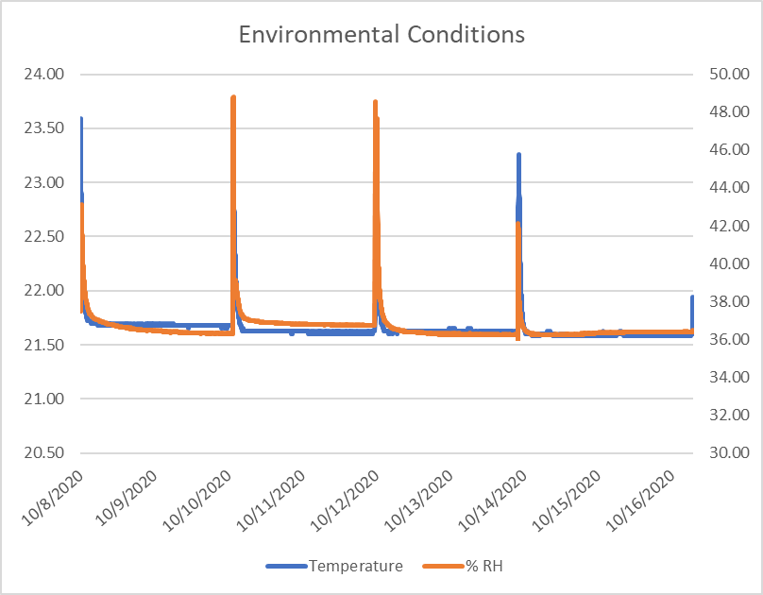

 |  | Avg. | St Dev.
 | Temp | 21.65 | 0.14
 | RH | 36.63 | 0.79

