Test 5 chart
Test 5: Fabrics and leather bookbinding

Test 5 SARS-CoV-2 Natural Attenuation
 | Leather book cover | Synthetic leather | 100% Polyolefin | Nylon webbing | LOQ | ALOQ1 | ALOQ2
Inoculum | 5.40 | 5.40 | 5.40 | 5.40 | 1.42 | 2.12 | 2.82
0 Day | 2.99 | 4.42 | 2.12 | 2.82 | 1.42 | 2.12 | 2.82
2 Day | 2.02 | 2.88 |  |  | 1.42 | 2.12 | 2.82
4 Day | 0.91 | 2.40 |  |  | 1.42 | 2.12 | 2.82
6 Day | 0.78 | 1.76 |  |  | 1.42 | 2.12 | 2.82
8 Day | 0.78 | 0.52 |  |  | 1.42 | 2.12 | 2.82
Description | Total Log10 SARS-CoV-2 Recovered
 | Inoculum1 | T02 | 2 Day | 4 Day | 6 Day | 8 Day | # positive coupons at day 8
Leather book cover | 5.40 | 2.99 | 2.02 | 0.91 | 0.78 | 0.78 | 3/5
Synthetic leather | 5.40 | 4.42 | 2.88 | 2.40 | 1.76 | 0.52 | 2/3
100% Polyolefin fabric3 | 5.40 | 2.12 |  |  |  |  | 0/5
100% Cotton fabric5 | 5.40 | NA | NA | NA | NA | NA | NA
Nylon webbing4 | 5.40 | 2.82 |  |  |  |  | 0/5
1 Total number of virus applied to each material
2 Total number of virus recovered after ~1hr dry period
3 Adjusted ALOQ1 due to observed cytotoxicity in undiluted samples
4 Adjusted ALOQ2 due to observed cyctotoxicity in undiluted and first 5 fold dilution
5 Inconclusive data due to cytotoxicity throughout samples

LOQ | 1.42 | 1.42 | 1.42 | 1.42 | 1.42 | 1.42
ALOQ1 | 2.12 | 2.12 | 2.12 | 2.12 | 2.12 | 2.12
ALOQ2 | 2.82 | 2.82 | 2.82 | 2.82 | 2.82 | 2.82

 | 95% CI
 | Inoculum | 0 Day | 2 Day | 4 Day | 6 Day | 8 Day
Leather book cover | NA | 0.32 | 0.62 | 0.76 | 0.63 | 0.63
Synthetic leather | NA | 0.24 | 0.12 | 0.20 | 0.18 | 0.63
100% Polyolefin fabric | NA | 0.00 | 0.00 | 0.00 | 0.00 | 0.00
100% Cotton fabric | NA | NA | NA | NA | NA | NA
Nylon webbing | NA | 0.00 | 0.00 | 0.00 | 0.00 | 0.00

 | LOQ/mL |  |  | LOQ per Sample (2 mL extract)
 | 13.1 | 1.12 |  | 26.2 | 1.42
 | 65.5 | 1.82 |  | 131 | 2.12
 | 327.5 | 2.52 |  | 655 | 2.82

This test chart includes the raw value for the virus, on the right hand side of the scale. However, because the raw scale is tied to the log scale, please note that the raw scale is not evenly distributed between the line markers (i.e. 10, 100, 1000).

Environmental conditions
Note: the peaks in the chart represent when the test chamber was opened to retrieve the coupons.

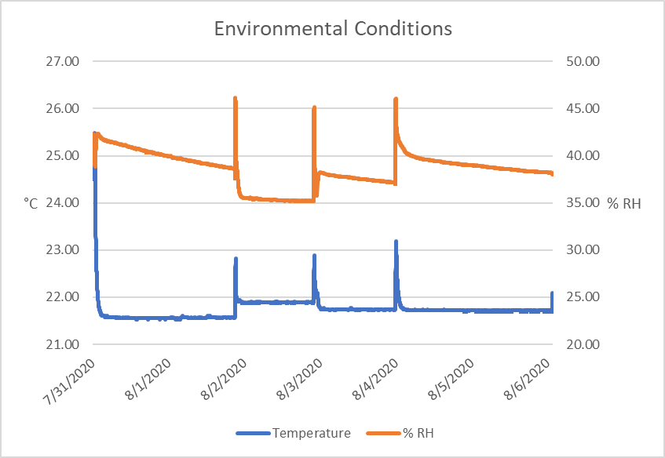

 |  | Avg. | SD
 | Temp | 21.75 | 0.30
 | RH | 38.56 | 1.84

